5.Compare List
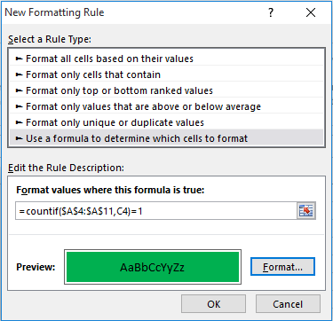

9898989898 | 7676767676 | old
7676767676 | 4545343232
5656565656 | 7676767776
3434343434 | 2323121212
2121212121 | 3434343434 | old
5645434343 | 6565654433
2343435454 | 2343435454 | old
6545432343 | 3232324567

